Dashboard
Executive Summary & Profitability Dashboard
All Pivots
Sales Data

Total Revenue
Total Gross Ptofit
Gross Profit Margin
Total Unit Sold
Total Orders
COGS
789
$94,497.65
$177,660.56
$83,162.91
47%
1856
Total Unit Sold

 | Total Revenue | Total Gross Profit
Jul | $66,442.24 | $31,035.09
Aug | $57,609.04 | $27,126.76
Sep | $53,609.28 | $25,001.06
vu
Revenue and Profit by Month
Top 5 Country by Revenue
 | Total
France | 14085.6425
Germany | 19059.764
Italy | 14394.026
Poland | 15509.3055
United Kingdom | 18994.862

 | Total
Central Europe | $55,563.48
Northern Europe | $38,681.98
Southern Europe | $30,852.54
Western Europe | $52,562.55
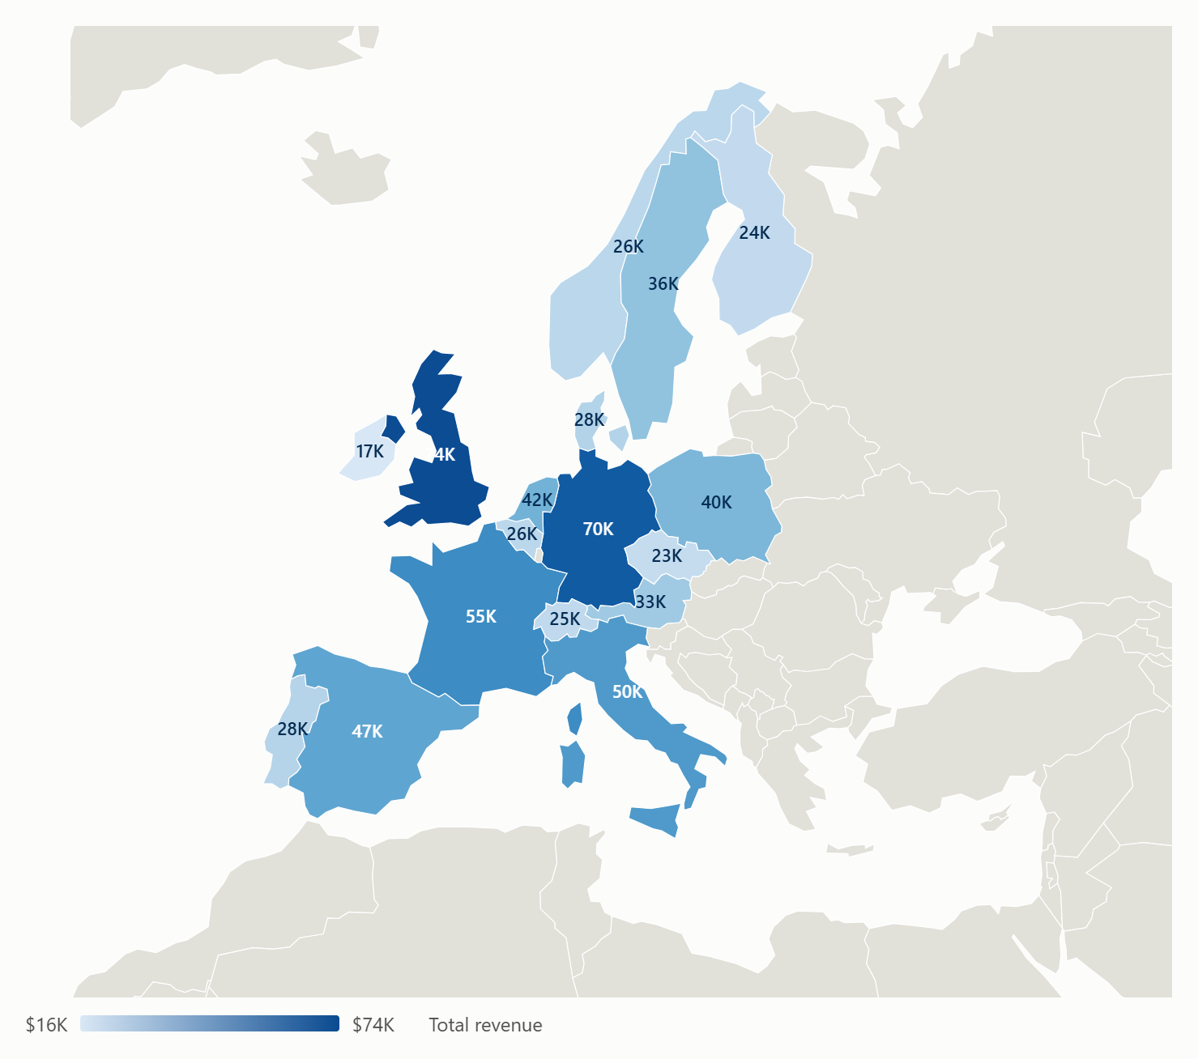
country wise map chart
 | Total
Corporate | $41,735.08
Marketplace | $24,321.18
Online Store | $75,981.16
Retail Partners | $35,623.14

